Macro-pru events_Implementation
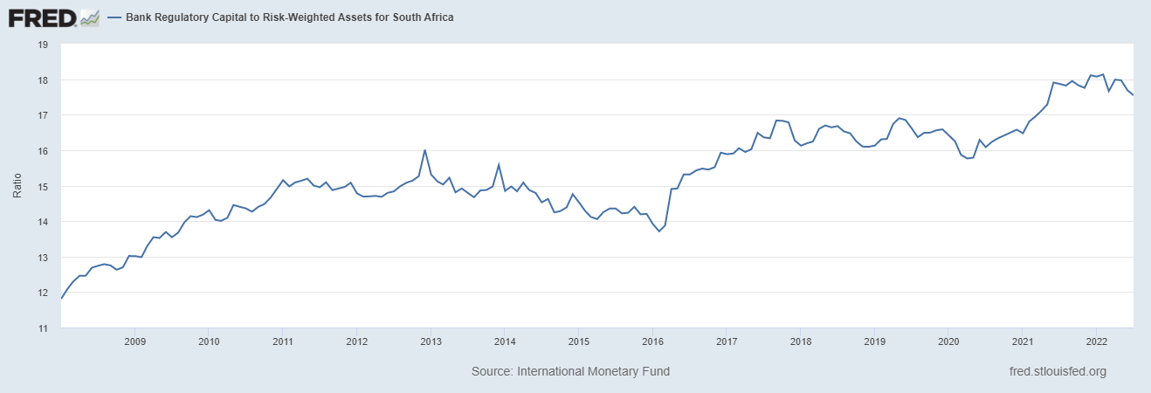
Date | Implementation | Definition | Implication/ Reasons
2005-03-01 | Capital Adequacy Levels increase to 13.67 % from 11.96 % in 2003, following pronouncements made in circulars 8/2003 and 1/2004 |  |  | Note that Banks' ratios are much higher than Basel and SARB minumim requirements
2006-01-01 | Announcement made in Circular 19/2004, where 60% of the required minimum capital adequacy ratio of 10%, is to consist of primary share capital and reserve funds, is introduced/ implemented
2008-01-01 | BASEL II is Implemented until Dec 2011
2012-01-01 | Basel 2.5 takes effect |  | SARB mimimum Capital Requirements: •Total CET1, 5.25% •Total Tier1, 7% •Minimum regulatory capital, 8% •Total regulatory capital for D-SIB, 9.5%
2013/01/31 | Basel III takes effect |  | SARB mimimum Capital Requirements: •Total CET1, 4,5% •Total Tier1, 6% •Minimum regulatory capital, 8% •Total regulatory capital for D-SIB, 9.5%
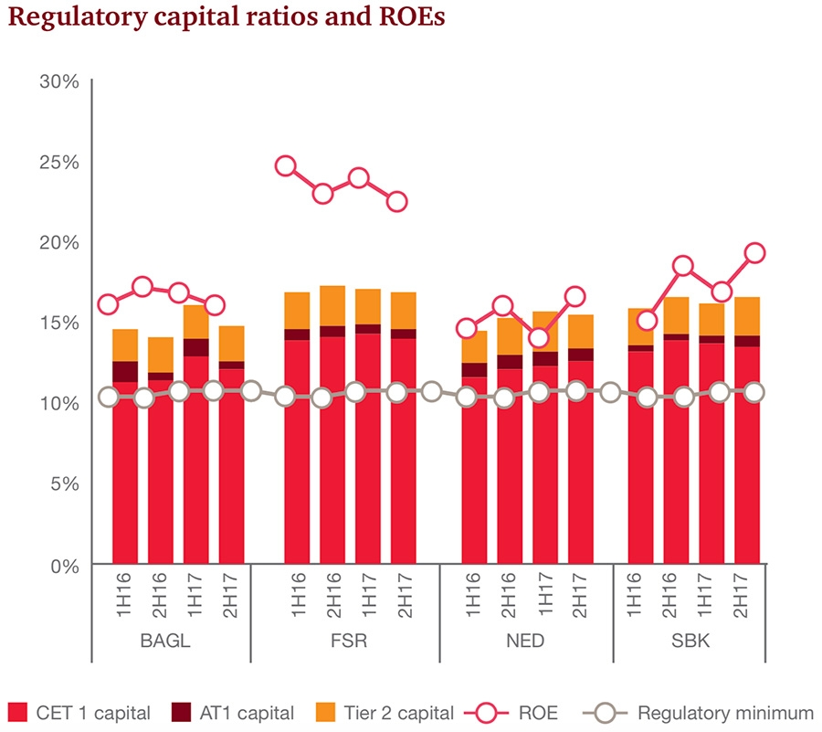
2014-01-31 | Increases |  | SARB mimimum Capital Requirements increase to: •Total CET1, 5,5% •Total Tier1, 7% •Total regulatory capital, 8% •Total regulatory capital for D-SIB, 10%
2015/01/31 | LCR ratio is introduced/impelemnted at 60% compliance Banks publicly disclose their leverage ratios
2015/01/31 |  |  | SARB mimimum Capital Requirements: •Total CET1, 6,5% •Total Tier1, 8% •Minimum regulatory capital, 8% •Total regulatory capital for D-SIB, 10%

2016-01-31 | LCR ratio is introduced/impelemnted at 70% compliance
2016-01-31 | The countercyclical capital buffer (CcyB) requirement implemented |  | •0.625%
 |  |  | SARB mimimum Capital Requirements: •Total CET1, 6,25% •Total Tier1, 7,5% •Minimum regulatory capital, 8% •Total regulatory capital for D-SIB, 9,75%
2016-07-01 | Exposure limits imposed in the classification of deposits and credit exposures to small and medium enterprises (SMEs), announced on 2016/04/13, implemented
2017-01-31 |  |  | SARB mimimum Capital Requirements: •Total CET1, 6% •Total Tier1, 7,25% •Minimum regulatory capital, 8% •Total regulatory capital for D-SIB, 9,5% •CcyB) increase to 1,25%
2017-01-31 | LCR ratio is introduced/impelemnted at 80% compliance
2018-01-31 |  |  | SARB mimimum Capital Requirements: •Total CET1, 5.5% •Total Tier1, 7% •Minimum regulatory capital, 8% •Total regulatory capital for D-SIB, 9,25% •CcyB) incres to 1,875%
2018-01-31 | NSFR Implemented following Directive 8/2017
2018-01-31 | LCR ratio is introduced/impelemnted at 90% compliance
2019-01-31 |  |  | SARB mimimum Capital Requirements: •Total CET1, 5% •Total Tier1, 6,75% •Minimum regulatory capital, 8% •Total regulatory capital for D-SIB, 9% •CcyB) increase to 2,5% (maximum)
2018-04-01 | Twin Peaks Model of Financial Regulation in South Africa put into incremental operation
2019-01-31 | LCR ratio is introduced/impelemnted at 100% compliance
2020-04-01 | LCR ratio is reduced to 80% compliance, following D1/2020
2020/04/06 (NB!!!!) | Implemntation of temporary capital relief to alleviate risks posed by the Covid-19 (D2/2020

Diagrams_2
BASEL III
Framework
Liquidity ratio
Leverage ratio
Pillar 2 Supervisory review process
Pillar 3
Market discipline (reporting)
Capital
RWA
Tier 1
Credit
Market
Operational
Concentration
Standard
CCR
Derivative exposure
BIA
IRB F
Standard
CEM
Basel^{IR}I^{B}I ^{A}
Basel III
CVA
AMA
EPE
IMA
VAR
WWR
Stressed VAR
IRC
Pillar 1 Capital ratios

 |  |  |  |  |  |  |  |  |  |  | 2010 | 2011 | 2012 | 2013 | 2014 | 2015 | 2016 | 2017 | 2018 | 2019
 |  |  |  |  |  |  |  |  |  | Regulation issued | ◊
 |  |  |  |  |  |  |  |  |  | LCR - Observation period
 |  |  |  |  |  |  |  |  |  | LCR Implementation
 |  |  |  |  |  |  |  |  |  | NSFR – Observation period
 |  |  |  |  |  |  |  |  |  | NSFR Implementation

 | 2010 | 2011 | 2012 | 2013 | 2014 | 2015 | 2016 | 2017 | 2018 | 2019
Regulation issued | ◊
Observation period
Phased in Capital Requirements
Phased in Leverage ratio
Phased in conservation buffer

Diagrams_1
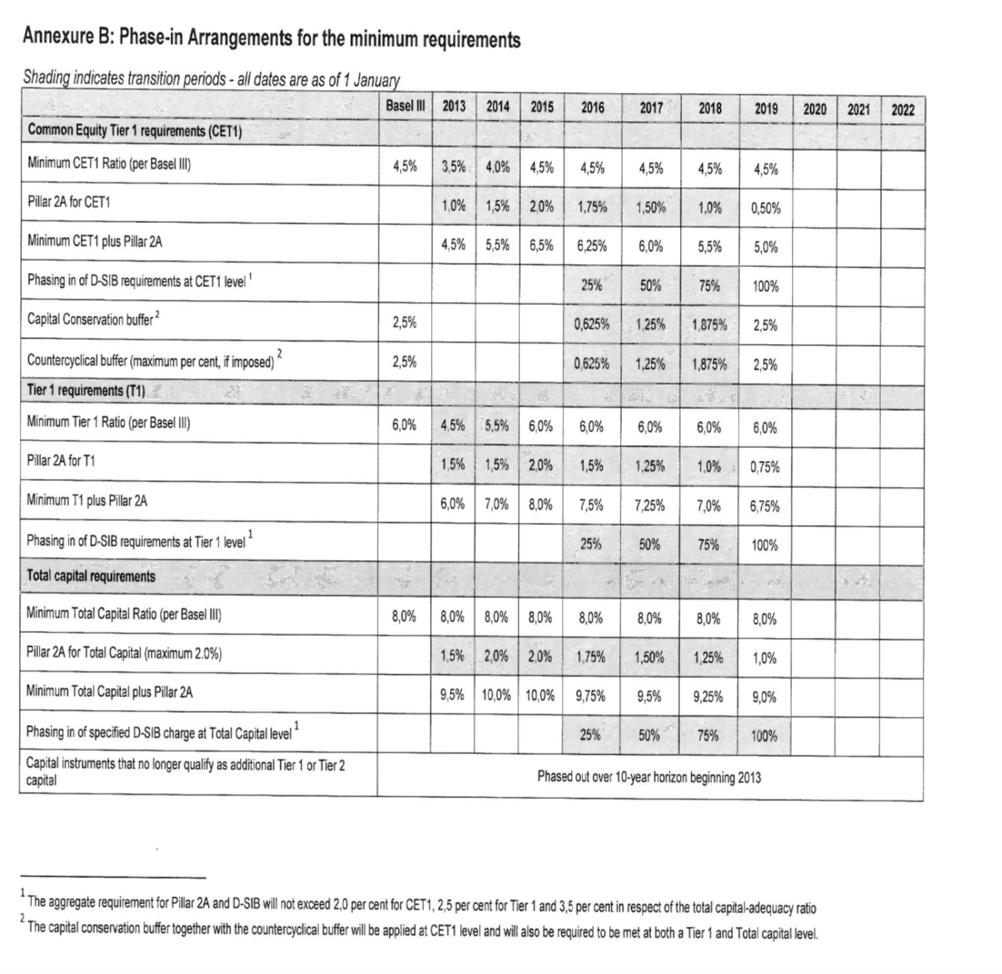
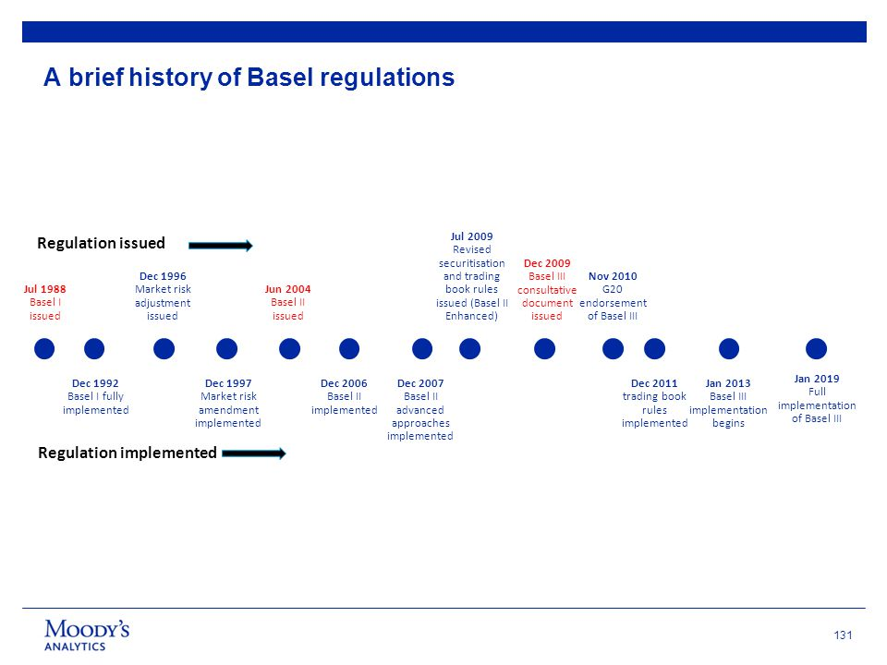
Takew-aways: S.A implemented Basel regulations at own timeline (later), contrary to BCBS deadlines

